Q2
Question:
Mr Makris owns a ﬂeet of 6 ships with which he transports soya from the port of Paranagua to various ports in the world according to the charters he received. Soya is loaded from a single quay in Paranagua, which is dedicated to his ﬂeet.
All ships arriving while that quay is engaged, waits in a single line for service on a ﬁrst-come- ﬁrst-served basis. Makris’ ships call at Paranagua on average once in 4 weeks. It takes on average 4 days to load a ship. Assume 7 days per week. Interarrival times and loading times are exponential distributed.
Assume that the system adheres to all the pre-requisites such that queueing theory can be applied on it. Establish all the queueing theoretical characteristics of the system.
Furthermore, calculate the cumulative probability distribution for the number of ships in the quay system (i.e. the probability that the number of ships in the system is less than or equal to n, for n<=N).

Some final answers:
P0 | 0.33133003456
W | 1.1274494231 | weeks

n | Pn
0 | 0.33133003456
1 | 0.28399717248
2 | 0.2028551232
3 | 0.11591721326
4 | 0.049678805681
5 | 0.01419394448
6 | 0.0020277063543

Q3
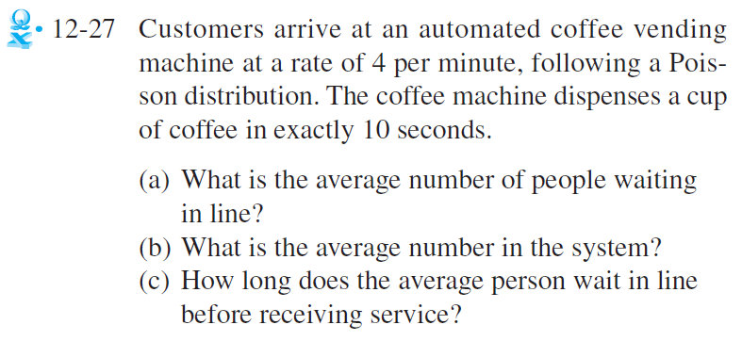

Some final answers:
service time exactly 10 seconds - so M/D/1 model
lambda | 4 | customers/min
mu | 6 | customer/min
rho | 0.66666666667 | <1?

a) Lq= | 0.66666666667 | customers
b) L= | 1.3333333333 | customers
c) Wq= | 0.16666666667 | minutes

